2.
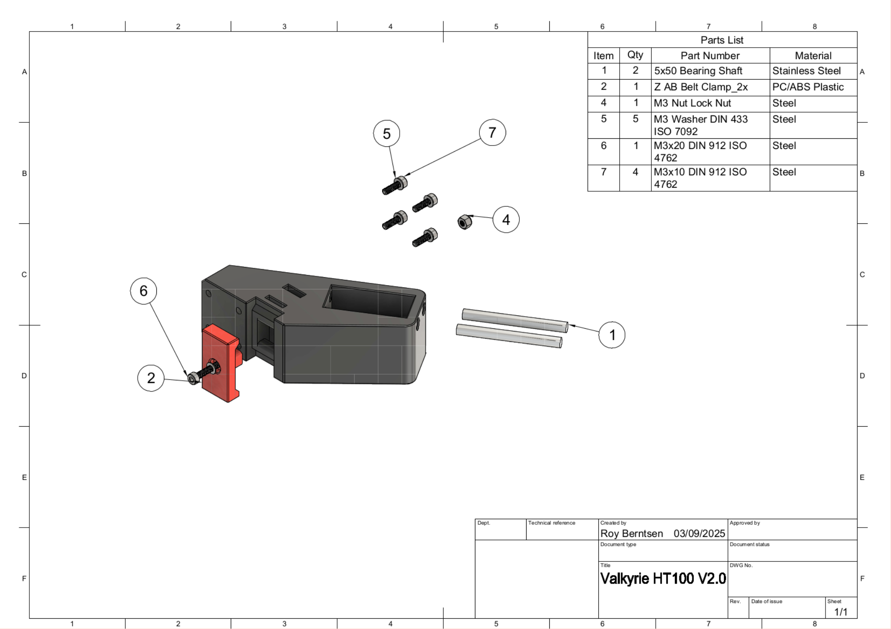
XYZ Assembly
Part Type | Description | Cut Length mm | Quantity Required | Pack Order Quantity | Pack Price $USD | Cost Price $USD | Order Parts Link
Tube | X-Axis Tube Aluminum 20x20x18 | 410 | 1 | 12 | $8.00 | $8.00 3 | 1x 20X20X1.5mm 500mm
Rod | 5x25mm Rod For Tension Forks |  |  | 1 | $1.40 | $1.40 | 1x Length: 25mm 8PC | https://www.aliexpress.com/item/1005005970231547.html
Rod | 5x40mm Rod For AB Idlers |  | 2 | 3 | $1.40 | $4.20 | 3x Length: 40mm 5PC | https://www.aliexpress.com/item/1005005970231547.html
Rod | 6x25 Bearing Shaft |  | 4
Rod | 6x40 Bearing Shaft |  | 6
Belt | Timing Belt 2GT 9mm 135C |  |  | 1 | $59.00 | $59.00 | 1x 8M Heat Resistant - 9mm
Idler | Idlers Smooth 11mm |  |  | 10 | $4.10 | $41.00 | 10x W 11mm without t
Idler | GT2 Pulley 20T 11mm |  | 4 | 5 | $6.00 | $30.00 | 5x W 11mm with t
Pulley | Pulley 11mm 2GT |  |  | 5 | $4.00 | $20.00 | 5x For 9mm
Gear | 2GT 20T-80T 4:1 Belt Gear | 200 |  | 3 | $16.00 | $48.00 | 3x 20T(5mm)-80T(5mm)-200mm
Steppermotor | 42mm NEMA 17 1.7A |  |  | 5 | $14.50 | $72.50 | 1x 5Pcs 40mm 45N-cm 2A | carnt get these in a qty of 3 , this might be an alternative | https://www.aliexpress.com/item/4000794108779.html
Steppermotor | Nema 17 55mm shaft High Temp |  | 2 | 2 | $20.00 | $40.00 |  | https://www.aliexpress.com/item/1005007050116319.html
Plate | Cast Aluminum 350x350x8mm | 350 | 1225 | 1225 | $0.08 | $104.00 | 1225 cm^2 |  |  | to source
Print Surface | Removal Spring Steel PEI Sheet | 330 |  | 1 | $46.00 | $46.00 | 1x Size: (130C)330x330mm
Rod | 5x50mm Rod For Ball Joint |  |  | 1 | $4.20 | $4.20 | 2x Length: 50mm 4PC |  |  | https://www.aliexpress.com/item/1005007696967716.html
Ball Joint | Precision Ball 10mm M4 |  |  | 1 | $3.00 | $3.00 | 1x Size: 10pc
Bearing | MGN 12 Rail 400mm |  | 2
Bearing | MGN 12H CARRAGE |  | 2
Bearing | MGN 9 400mm |  | 1
Bearing | MGN9-H CARRAGE |  | 1
Price exl Taxes |  |  |  |  |  | $338

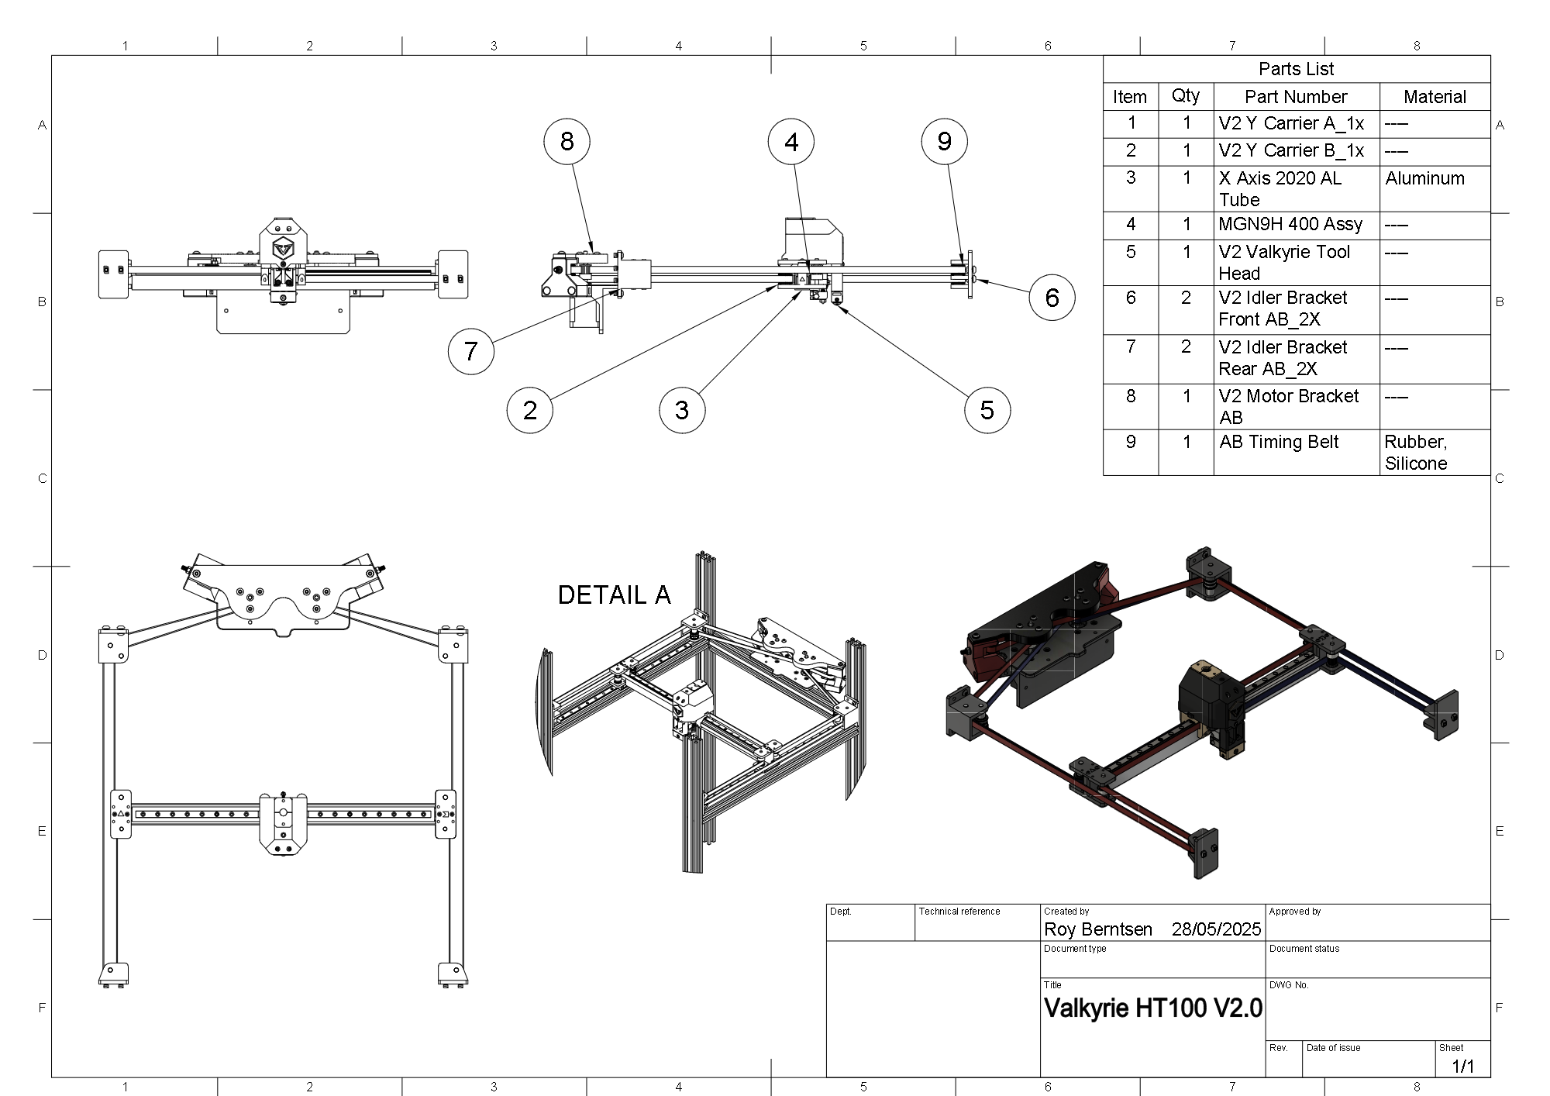
Link to Drawings

